Pivot Table 1
Count of Employee ID
2845

Average of Age
49.4

Row Labels | Count of Employee ID
Male | 1257
Grand Total | 1257

Row Labels | Count of Employee ID
Female | 1588
Grand Total | 1588

Average of Tenure
4.78

Row Labels | Count of Employee ID
Executive Office | 24
Admin Offices | 79
Software Engineering | 112
Sales | 311
IT/IS | 409
Production | 1910
Grand Total | 2845

Row Labels | Count of Employee ID
Female | 1588
Male | 1257
Grand Total | 2845

Row Labels | Count of Employee ID
NEL | 291
BPC | 288
WBL | 286
PYZ | 285
CCDR | 284
TNS | 283
PL | 283
EW | 282
MSC | 282
SVG | 281
Grand Total | 2845

Row Labels | Count of Employee ID
Young Adult | 516
Adult | 687
Middle Age | 661
Old | 981
Grand Total | 2845

Dashboard
Workforce Overview Dashboard


Total Employee
Avg. Employee Age
Male Employee
Female Employee
Avg. Tenure

2845
49.4
1257
1588
4.78

Workforce Distribution by Age Group
Gender Distribution

 | Total
Female | 1588
Male | 1257

 | Total
Young Adult | 516
Adult | 687
Middle Age | 661
Old | 981

Employee Count by Department
Employee Count by Business Unit

 | Total
Executive Office | 24
Admin Offices | 79
Software Engineering | 112
Sales | 311
IT/IS | 409
Production | 1910
 | Total
NEL | 291
BPC | 288
WBL | 286
PYZ | 285
CCDR | 284
TNS | 283
PL | 283
EW | 282
MSC | 282
SVG | 281

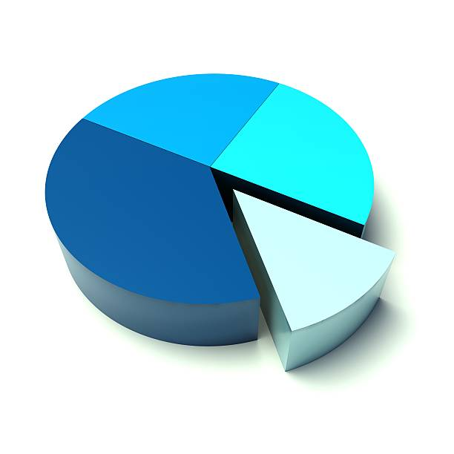

2845 | 49.4 | 1257 | 1588 | 4.78

Pivot Table 2
Average of Engagement Score
2.94

Average of Satisfaction Score
3.03

Average of Work-Life Balance Score
2.99

Average of Current Employee Rating
2.97

Row Labels | Count of Employee ID
Exceeds | 346
Grand Total | 346

ra | Performance Score
Admin Offices | 79
Executive Office | 24
IT/IS | 409
Production | 1910
Sales | 311
Software Engineering | 112
Grand Total | 2845

Row Labels | Average of Satisfaction Score
Safety | 3.50
Technology / It | 3.38
Catv | 3.31
Underground | 3.26
Executive | 3.17
General - Sga | 3.16
Aerial | 3.13
Engineers | 3.11
Isp | 3.07
Project Management - Con | 3.07
Grand Total | 3.14

Row Labels | Average of Current Employee Rating
Admin Offices | 3.03
Production | 2.99
IT/IS | 2.97
Sales | 2.92
Software Engineering | 2.90
Executive Office | 2.79
Grand Total | 2.97

Row Labels | Average of Employee ID
High | 2474.0861759
Low | 2452.3787375
Medium | 2489.0258303
Grand Total | 2470.5919156

Dasboard 2
Employee Performance & Engagement Dasboard

Avg. Work-Life Balance Score
Avg. Engagement Score
Avg. Satisfaction Score
Avg. Employee Rating
High Performer Count

2.94
3.03
2.99
2.97
346

Top Performing Departments
Engagement Level Distribution

 | Total
Admin Offices | 3.03
Production | 2.99
IT/IS | 2.97
Sales | 2.92
Software Engineering | 2.90
Executive Office | 2.79
 | Total
High | 2474.0861759
Low | 2452.3787375
Medium | 2489.0258303

Satisfaction Score by Division
Performance Score by Department

 | Total
Admin Offices | 79
Executive Office | 24
IT/IS | 409
Production | 1910
Sales | 311
Software Engineering | 112
 | Total
Safety | 3.50
Technology / It | 3.38
Catv | 3.31
Underground | 3.26
Executive | 3.17
General - Sga | 3.16
Aerial | 3.13
Engineers | 3.11
Isp | 3.07
Project Management - Con | 3.07

Pivot Table 3
Sum of Training Cost
$1,591,149

Distinct Count of Training Program Name
5

Row Labels | Count of Employee ID
Completed | 25.91%
Failed | 23.48%
Incomplete | 25.69% |  | 50.83%
Passed | 24.92%
Grand Total | 100.00%

Row Labels | Count of Employee ID
Passed | 709
Grand Total | 709

Average of Training Duration(Days)
3.0

Row Labels | Count of Employee ID
Communication Skills | 633
Customer Service | 540
Leadership Development | 544
Project Management | 585
Technical Skills | 543
Grand Total | 2845

Row Labels | Sum of Training Cost
Admin Offices | 42101
Executive Office | 14051
IT/IS | 230396
Production | 1070266
Sales | 168017
Software Engineering | 66317
Grand Total | 1591149

Row Labels | Count of Employee ID
Completed | 737
Failed | 668
Incomplete | 731
Passed | 709
Grand Total | 2845

Count of Performance Category | Column Labels
Row Labels | Completed | Failed | Incomplete | Passed | Grand Total
External | 344 | 344 | 380 | 356 | 1424
Internal | 393 | 324 | 351 | 353 | 1421
Grand Total | 737 | 668 | 731 | 709 | 2845

Dashboard 3
Training & HR Investment Dashboard

Total Training Cost
Total Training Program
Training Completion Rate
Avg. Training Duration
Successful Training Count

$1,591,149
5
50.83%
709
3.0

Training Cost by Department
Training Outcome Analysis

 | Total
Admin Offices | 42101
Executive Office | 14051
IT/IS | 230396
Production | 1070266
Sales | 168017
Software Engineering | 66317

 | Total
Completed | 737
Failed | 668
Incomplete | 731
Passed | 709

Training Program Attendance
Training Type Performance

 | Completed | Failed | Incomplete | Passed
External | 344 | 344 | 380 | 356
Internal | 393 | 324 | 351 | 353
 | Total
Communication Skills | 633
Customer Service | 540
Leadership Development | 544
Project Management | 585
Technical Skills | 543

$1,591,149 | 5 | 50.83% | 709 | 3.0

